AI-Stack版本功能表
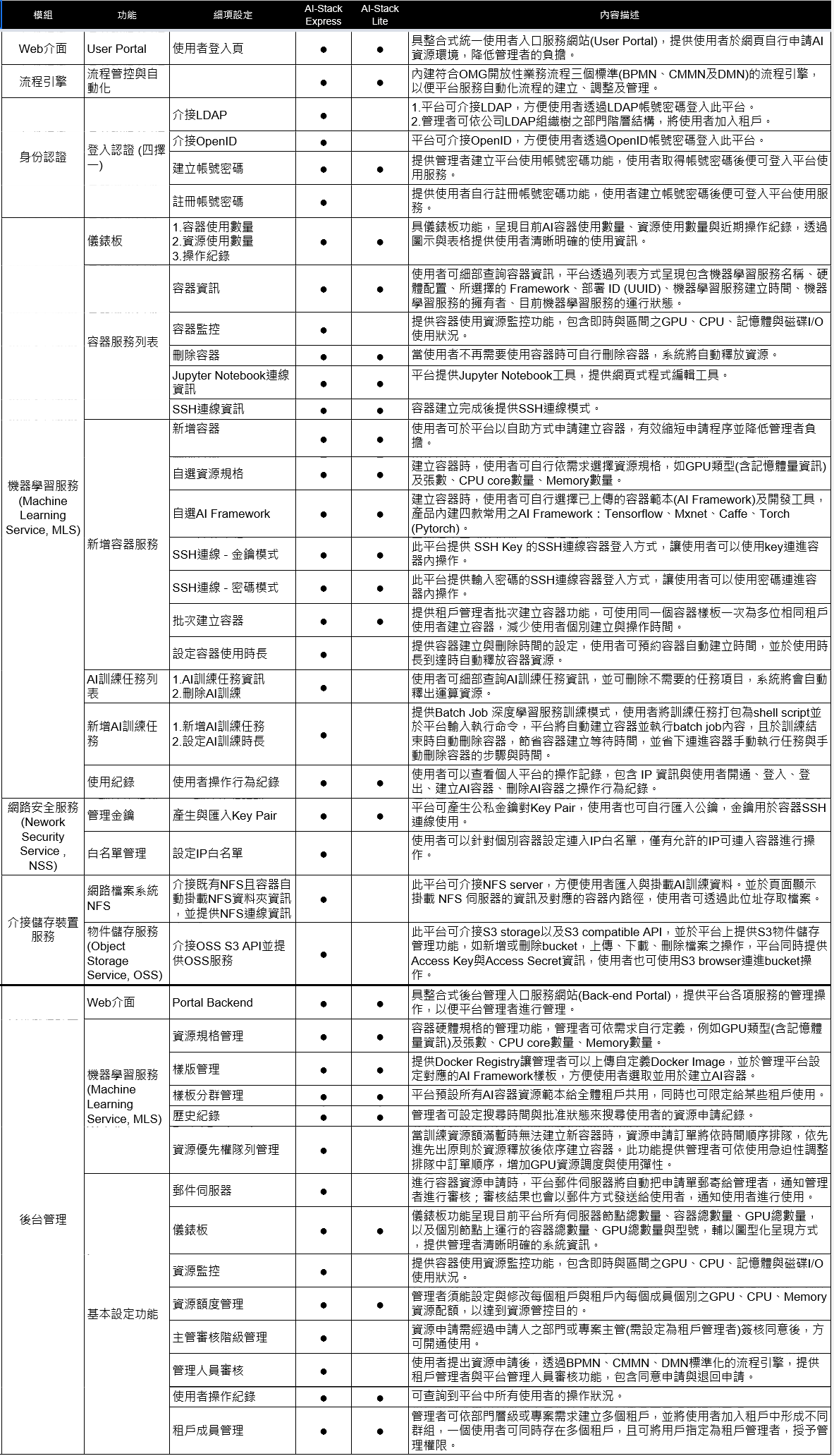
AI-Stack版本功能表(Express與Lite版本功能差異)

